DeepM6A dataset
DeepM6A dataset
Source paper | Elucidation of DNA methylation on N6-adenine with deep learning
Download link | https://github.com/tanfei2007/DeepM6A/tree/master/Data
Organism | A. thaliana
Level | DNA
Length | 61 bp
Positive data | 19632
Negative data | 19632
DL paper used this data | P12 | DeepM6A | 2020-08-03 | P12
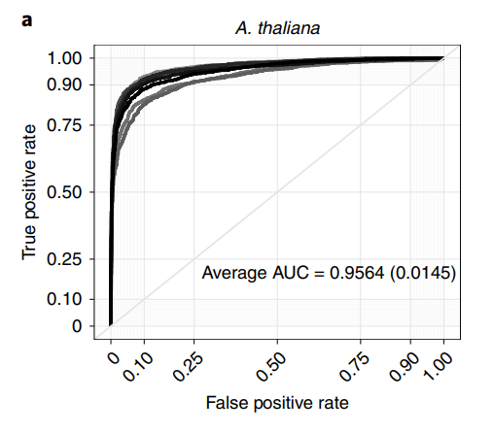
 | P16 | Leveraging the attention mechanism to improve the identification of DNA N6-methyladenine sites | 2021-01-13

 |  |  |  | P16

Organism | D. melanogaster
Level | DNA
Length | 61 bp
Positive data | 10653
Negative data | 10653
DL paper used this data | P12 | DeepM6A | 2020-08-03 | P12
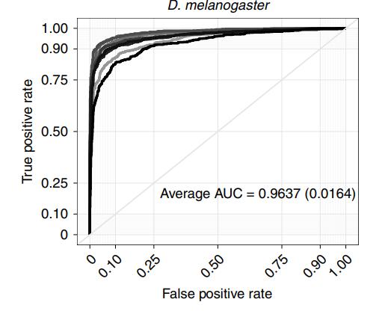
 | P16 | Leveraging the attention mechanism to improve the identification of DNA N6-methyladenine sites | 2021-01-13

 |  |  |  | P16

